Sheet1
Question | Answer
1 | D
2 | C
3 | A
4 | C
5 | B
6 | C
7 | A
8 | D
9 | A
10 | D
11 | B
12 | D
13 | E
14 | A
15 | D
16 | B
17 | B
18 | C
19 | A
20 | C
21 | D
22 | A
23 | C
24 | D
25 | A
26 | B
27 | C
28 | B
29 | B
30 | D | A,C
31 | C
32 | A
33 | C
34 | C
35 | A
36 | D
37 | B
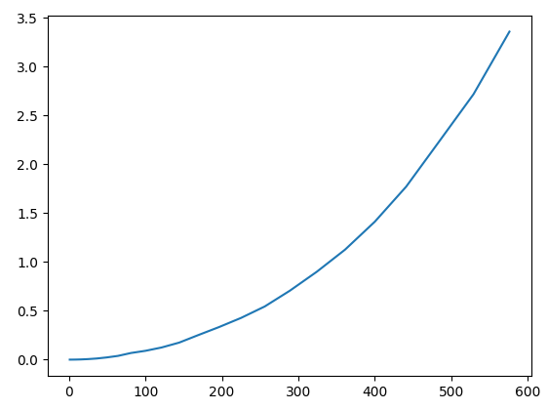
38 | C | See graph
39 | C
40 | D |  | If length is replaced with len

